Figure CPS3b
Figure CPS3b. Average scores and 10th and 90th percentile scores of 15-year-old students on the PISA collaborative
problem solving literacy scale, by education system: 2015
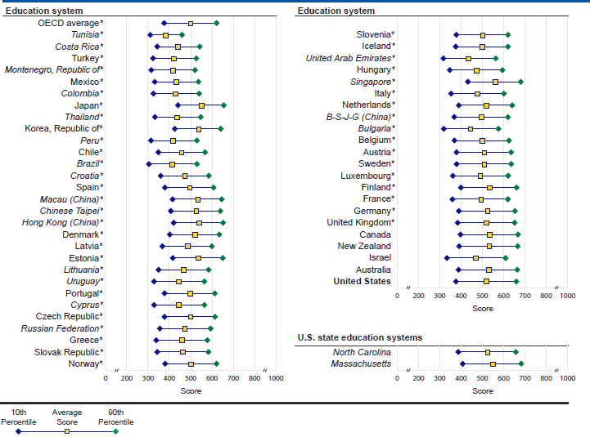

* p<.05. Score gap is significantly different from the U.S. 90th to 10th percentile score gap at the .05 level of statistical significance. NOTE: This table shows the threshold (or cut) scores for the following: (a) 10th percentile- the bottom 10 percent of students; (b) 90th percentile- the top 10 percent of students. The percentile ranges are specific to each education system's distribution of scores, enabling users to compare scores across education systems. Education systems are ordered by 90th to 10th percentile score gap from smallest to largest. The OECD average is the average of the national estimates of the 32 OECD member countries that participated in the collaborative problem solving assessment, with each country weighted equally. Scores are reported on a scale from 0 to 1,000. Italics indicate non-OECD countries and education systems. B-S-J-G (China) refers to the four PISA participating China provinces: Beijing, Shanghai, Jiangsu, and Guangdong. Malaysia administered the collaborative problem solving assessment but due to sampling issues its data were deemed not comparable and thus are not shown here. Standard error is noted by s.e. Results for Massachusetts and North Carolina are for public school students only. SOURCE: Organization for Economic Cooperation and Development (OECD), Program for International Student Assessment (PISA), 2015.

Figure CPS4b
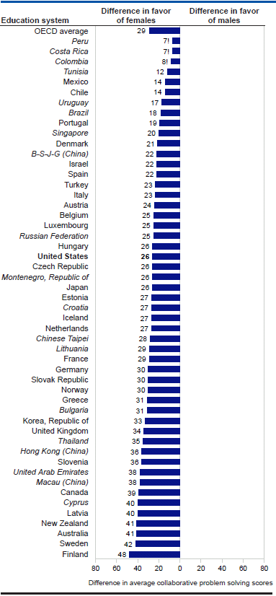
National Center for Education Statistics
Figure CPS4b. Difference in average scores of 15-year-old male and female students on the PISA collaborative problem
solving scale, by education system: 2015

 | ! Interpret data with caution. Estimate is unstable due to high coefficient of variation (>30 and ≤50 percent). NOTE: Education systems are ordered by absolute male-female difference in 2015 average score from smallest to largest. Differences were computed using unrounded numbers. Scores are reported on a scale from 0 to 1,000. The OECD average is the average of the national average score differences of the 32 OECD member countries that participated in the collaborative problem solving assessment, with each system weighted equally. Standard error is noted by s.e. Italics indicate non-OECD countries and education systems. B-S-J-G (China) refers to the four PISA participating China provinces: Beijing, Shanghai, Jiangsu, and Guangdong. Malaysia administered the collaborative problem solving assessment but due to sampling issues its data were deemed not comparable and thus are not shown here. Results for Massachusetts and North Carolina are for public school students only. The average scores and standard errors are shown in table CPS4a. SOURCE: Organization for Economic Cooperation and Development (OECD), Program for International Student Assessment (PISA), 2015.

